Main
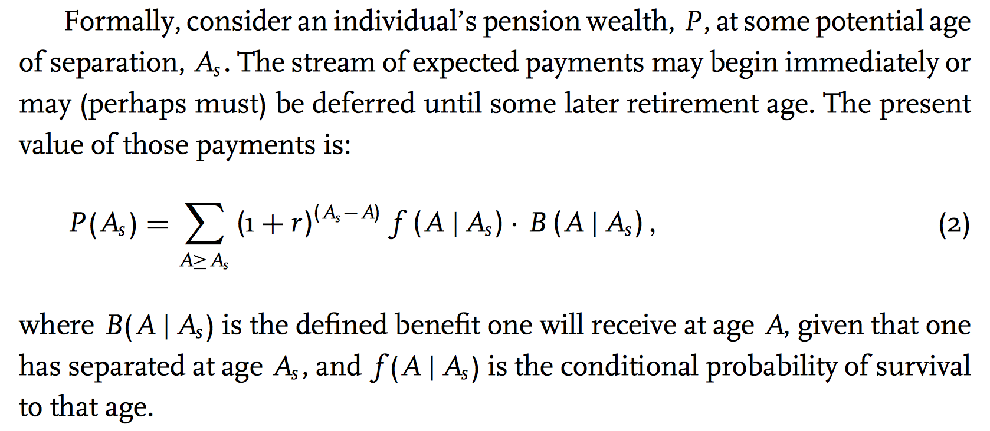
Main Parameters | Variable | Value |  | ER DC Contribution | EE DC Contribution | DC Balance (ER Only) | Vested DC Balance (Adjusted for Inflation) | DC Balance (EE Only) | Total Vested DC Balance (Adjusted for Inflation) | ER DC Contribution | EE DC Contribution | DC Balance (ER Only) | Vested DC Balance (Adjusted for Inflation) | DC Balance (EE Only) | Total Vested DC Balance (Adjusted for Inflation) | ER DC Contribution | EE DC Contribution | DC Balance (ER Only) | Vested DC Balance (Adjusted for Inflation) | DC Balance (EE Only) | Total Vested DC Balance (Adjusted for Inflation)
Survival Model |  | Plan |  | #REF! | #REF! | #REF! | #REF! | #REF! | #REF! | #REF! | #REF! | #REF! | #REF! | #REF! | #REF! | #REF! | #REF! | #REF! | #REF! | #REF! | #REF!
ARR/DR | ARR | 7.00% |  | #REF! | #REF! | #REF! | #REF! | #REF! | #REF! | #REF! | #REF! | #REF! | #REF! | #REF! | #REF! | #REF! | #REF! | #REF! | #REF! | #REF! | #REF!
Assumed Price Inflation | assum_infl | 2.30% |  | #REF! | #REF! | #REF! | #REF! | #REF! | #REF! | #REF! | #REF! | #REF! | #REF! | #REF! | #REF! | #REF! | #REF! | #REF! | #REF! | #REF! | #REF!
Payroll Growth Rate (Basic) | payroll_growth | 2.60% |  | #REF! | #REF! | #REF! | #REF! | #REF! | #REF! | #REF! | #REF! | #REF! | #REF! | #REF! | #REF! | #REF! | #REF! | #REF! | #REF! | #REF! | #REF!
Salary Increase (Wage Inflation) | salary_growth | 3.00% |  | #REF! | #REF! | #REF! | #REF! | #REF! | #REF! | #REF! | #REF! | #REF! | #REF! | #REF! | #REF! | #REF! | #REF! | #REF! | #REF! | #REF! | #REF!
Vesting (years) | Vesting | 5 |  | #REF! | #REF! | #REF! | #REF! | #REF! | #REF! | #REF! | #REF! | #REF! | #REF! | #REF! | #REF! | #REF! | #REF! | #REF! | #REF! | #REF! | #REF!
Hiring Age | HiringAge | 25 |  | #REF! | #REF! | #REF! | #REF! | #REF! | #REF! | #REF! | #REF! | #REF! | #REF! | #REF! | #REF! | #REF! | #REF! | #REF! | #REF! | #REF! | #REF!
Reduced Retirement Age | ReduceRetAge | 80 |  | #REF! | #REF! | #REF! | #REF! | #REF! | #REF! | #REF! | #REF! | #REF! | #REF! | #REF! | #REF! | #REF! | #REF! | #REF! | #REF! | #REF! | #REF!
Reduced Retirement YOS | ReduceRetYOS | 5 |  | #REF! | #REF! | #REF! | #REF! | #REF! | #REF! | #REF! | #REF! | #REF! | #REF! | #REF! | #REF! | #REF! | #REF! | #REF! | #REF! | #REF! | #REF!
Early Retirement Rule of | EarlyRetRule | 80 |  | #REF! | #REF! | #REF! | #REF! | #REF! | #REF! | #REF! | #REF! | #REF! | #REF! | #REF! | #REF! | #REF! | #REF! | #REF! | #REF! | #REF! | #REF!
Early Retirement Rule Min Age |  |  |  | #REF! | #REF! | #REF! | #REF! | #REF! | #REF! | #REF! | #REF! | #REF! | #REF! | #REF! | #REF! | #REF! | #REF! | #REF! | #REF! | #REF! | #REF!
Normal Retirement Age I | NormalRetAgeI | 67 |  | #REF! | #REF! | #REF! | #REF! | #REF! | #REF! | #REF! | #REF! | #REF! | #REF! | #REF! | #REF! | #REF! | #REF! | #REF! | #REF! | #REF! | #REF!
Normal Retirement YOS I | NormalYOSI | 5 |  | #REF! | #REF! | #REF! | #REF! | #REF! | #REF! | #REF! | #REF! | #REF! | #REF! | #REF! | #REF! | #REF! | #REF! | #REF! | #REF! | #REF! | #REF!
Normal Retirement Age II | NormalRetAgeII | 58 |  | #REF! | #REF! | #REF! | #REF! | #REF! | #REF! | #REF! | #REF! | #REF! | #REF! | #REF! | #REF! | #REF! | #REF! | #REF! | #REF! | #REF! | #REF!
Normal Retirement YOS II | NormalYOSII | 30 | https://files.eric.ed.gov/fulltext/ED499007.pdf | #REF! | #REF! | #REF! | #REF! | #REF! | #REF! | #REF! | #REF! | #REF! | #REF! | #REF! | #REF! | #REF! | #REF! | #REF! | #REF! | #REF! | #REF!
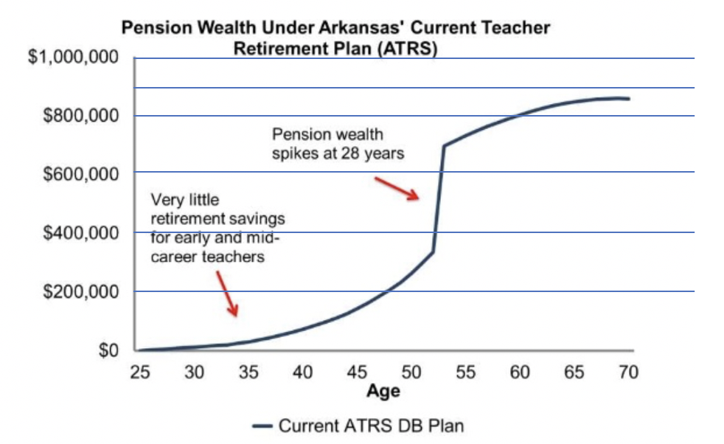
Normal Retirement Rule of |  | 80 |  | #REF! | #REF! | #REF! | #REF! | #REF! | #REF! | #REF! | #REF! | #REF! | #REF! | #REF! | #REF! | #REF! | #REF! | #REF! | #REF! | #REF! | #REF!
Normal Retirement Rule Min Age |  | 65 |  | #REF! | #REF! | #REF! | #REF! | #REF! | #REF! | #REF! | #REF! | #REF! | #REF! | #REF! | #REF! | #REF! | #REF! | #REF! | #REF! | #REF! | #REF!
Starting Salary | StartingSalary | $26,403 |  | #REF! | #REF! | #REF! | #REF! | #REF! | #REF! | #REF! | #REF! | #REF! | #REF! | #REF! | #REF! | #REF! | #REF! | #REF! | #REF! | #REF! | #REF!
Final Average Salary (years) | FinAvgSalaryYears | 5 |  | #REF! | #REF! | #REF! | #REF! | #REF! | #REF! | #REF! | #REF! | #REF! | #REF! | #REF! | #REF! | #REF! | #REF! | #REF! | #REF! | #REF! | #REF!
Credited Interest | Interest | 4.00% |  | #REF! | #REF! | #REF! | #REF! | #REF! | #REF! | #REF! | #REF! | #REF! | #REF! | #REF! | #REF! | #REF! | #REF! | #REF! | #REF! | #REF! | #REF!
EE Contribution Rate | EE_Contrib | 10.70% |  | #REF! | #REF! | #REF! | #REF! | #REF! | #REF! | #REF! | #REF! | #REF! | #REF! | #REF! | #REF! | #REF! | #REF! | #REF! | #REF! | #REF! | #REF!
ER Contribution Rate | ER_Contrib | 14.15% |  | #REF! | #REF! | #REF! | #REF! | #REF! | #REF! | #REF! | #REF! | #REF! | #REF! | #REF! | #REF! | #REF! | #REF! | #REF! | #REF! | #REF! | #REF!
Graded Multiplier | GradMult | 1.00 |  | #REF! | #REF! | #REF! | #REF! | #REF! | #REF! | #REF! | #REF! | #REF! | #REF! | #REF! | #REF! | #REF! | #REF! | #REF! | #REF! | #REF! | #REF!
Benefit Multiplier 1-10 years | BenMult1 | 1.35% |  | #REF! | #REF! | #REF! | #REF! | #REF! | #REF! | #REF! | #REF! | #REF! | #REF! | #REF! | #REF! | #REF! | #REF! | #REF! | #REF! | #REF! | #REF!
Benefit Multiplier 11-20 | BenMult2 | 2.35% |  | #REF! | #REF! | #REF! | #REF! | #REF! | #REF! | #REF! | #REF! | #REF! | #REF! | #REF! | #REF! | #REF! | #REF! | #REF! | #REF! | #REF! | #REF!
Benefit Multiplier 21-30 | BenMult3 | 3.35% |  | #REF! | #REF! | #REF! | #REF! | #REF! | #REF! | #REF! | #REF! | #REF! | #REF! | #REF! | #REF! | #REF! | #REF! | #REF! | #REF! | #REF! | #REF!
 | DC Accumulated Benefit (6.5% Return) | DB Accumulated Benefit | DC Accumulated Benefit (5.5% Return) | DC Accumulated Benefit (4.5% Return)
 | 0 | 1 | 0 | 0
 | 0 |  | 0 | 0
 | 0 |  | 0 | 0
 | 0 |  | 0 | 0
 | 0 |  | 0 | 0
 | 0 |  | 0 | 0
 | 0 |  | 0 | 0
 | 0 |  | 0 | 0
 | 0 |  | 0 | 0
 | 0 |  | 0 | 0
 | 0 |  | 0 | 0
 | 0 |  | 0 | 0
 | 0 |  | 0 | 0
 | 0 |  | 0 | 0
 | 0 |  | 0 | 0
 | 0 |  | 0 | 0
 | 0 |  | 0 | 0
 | 0 |  | 0 | 0
 | 0 |  | 0 | 0
 | 0 |  | 0 | 0
 | 0 |  | 0 | 0
 | 0 |  | 0 | 0
 | 0 |  | 0 | 0
 | 0 |  | 0 | 0
 | 0 |  | 0 | 0
 | 0 |  | 0 | 0
 | 0 |  | 0 | 0
 | 0 |  | 0 | 0
 | 0 |  | 0 | 0
 | 0 |  | 0 | 0
 | 0 |  | 0 | 0
 | 0 |  | 0 | 0
 | 0 |  | 0 | 0
 | 0 |  | 0 | 0
 | 0 |  | 0 | 0
 | 0 |  | 0 | 0
 | 0 |  | 0 | 0
 | 0 |  | 0 | 0
 | 0 |  | 0 | 0
 | 0 |  | 0 | 0
 | 0 |  | 0 | 0
 | 0 |  | 0 | 0
 | 0 |  | 0 | 0
 | 0 |  | 0 | 0
 | 0 |  | 0 | 0
 | 0 |  | 0 | 0
 | 0 |  | 0 | 0
 | 0 |  | 0 | 0
 | 0 |  | 0 | 0
 | 0 |  | 0 | 0
...
Benefit Multiplier 30+ | BenMult4 | 2.40% |  | #REF! | #REF! | #REF! | #REF! | #REF! | #REF! | #REF! | #REF! | #REF! | #REF! | #REF! | #REF! | #REF! | #REF! | #REF! | #REF! | #REF! | #REF!
Benefit Multiplier (non-contributory) |  |  |  | #REF! | #REF! | #REF! | #REF! | #REF! | #REF! | #REF! | #REF! | #REF! | #REF! | #REF! | #REF! | #REF! | #REF! | #REF! | #REF! | #REF! | #REF!
Addition to the Annuity (with 10 YOS) |  |  |  | #REF! | #REF! | #REF! | #REF! | #REF! | #REF! | #REF! | #REF! | #REF! | #REF! | #REF! | #REF! | #REF! | #REF! | #REF! | #REF! | #REF! | #REF!
COLA | COLA | 1.80% |  | #REF! | #REF! | #REF! | #REF! | #REF! | #REF! | #REF! | #REF! | #REF! | #REF! | #REF! | #REF! | #REF! | #REF! | #REF! | #REF! | #REF! | #REF!
COLA Compounds (1=Yes) | COLACompound | 1 |  | #REF! | #REF! | #REF! | #REF! | #REF! | #REF! | #REF! | #REF! | #REF! | #REF! | #REF! | #REF! | #REF! | #REF! | #REF! | #REF! | #REF! | #REF!
IRS Compensation Limit | IRSCompLimit | $280,000 |  | #REF! | #REF! | #REF! | #REF! | #REF! | #REF! | #REF! | #REF! | #REF! | #REF! | #REF! | #REF! | #REF! | #REF! | #REF! | #REF! | #REF! | #REF!
Enhanced Refund ER Match (5 YOS) | EnhER5 | 0.00% |  | #REF! | #REF! | #REF! | #REF! | #REF! | #REF! | #REF! | #REF! | #REF! | #REF! | #REF! | #REF! | #REF! | #REF! | #REF! | #REF! | #REF! | #REF!
Enhanced Refund ER Match (6-10 YOS) | EnhER610 | 0.00% |  | #REF! | #REF! | #REF! | #REF! | #REF! | #REF! | #REF! | #REF! | #REF! | #REF! | #REF! | #REF! | #REF! | #REF! | #REF! | #REF! | #REF! | #REF!
Enhanced Refund ER Match (>10 YOS) | EnhERGreater10 | 100.00% |  | #REF! | #REF! | #REF! | #REF! | #REF! | #REF! | #REF! | #REF! | #REF! | #REF! | #REF! | #REF! | #REF! | #REF! | #REF! | #REF! | #REF! | #REF!
Annual Age Reduction |  |  |  | #REF! | #REF! | #REF! | #REF! | #REF! | #REF! | #REF! | #REF! | #REF! | #REF! | #REF! | #REF! | #REF! | #REF! | #REF! | #REF! | #REF! | #REF!
Annual YOS Reduction |  |  |  | #REF! | #REF! | #REF! | #REF! | #REF! | #REF! | #REF! | #REF! | #REF! | #REF! | #REF! | #REF! | #REF! | #REF! | #REF! | #REF! | #REF! | #REF!
Rule of Age + YOS |  |  |  | #REF! | #REF! | #REF! | #REF! | #REF! | #REF! | #REF! | #REF! | #REF! | #REF! | #REF! | #REF! | #REF! | #REF! | #REF! | #REF! | #REF! | #REF!
Benefit Tier |  | Tier 4 |  | #REF! | #REF! | #REF! | #REF! | #REF! | #REF! | #REF! | #REF! | #REF! | #REF! | #REF! | #REF! | #REF! | #REF! | #REF! | #REF! | #REF! | #REF!
DC Plan |  |  |  | #REF! | #REF! | #REF! | #REF! | #REF! | #REF! | #REF! | #REF! | #REF! | #REF! | #REF! | #REF! | #REF! | #REF! | #REF! | #REF! | #REF! | #REF!
EE Contribution |  | 6.00% |  | #REF! | #REF! | #REF! | #REF! | #REF! | #REF! | #REF! | #REF! | #REF! | #REF! | #REF! | #REF! | #REF! | #REF! | #REF! | #REF! | #REF! | #REF!
ER Contribution |  | 9.00% |  | #REF! | #REF! | #REF! | #REF! | #REF! | #REF! | #REF! | #REF! | #REF! | #REF! | #REF! | #REF! | #REF! | #REF! | #REF! | #REF! | #REF! | #REF!
DC Vesting (years) |  |  |  | #REF! | #REF! | #REF! | #REF! | #REF! | #REF! | #REF! | #REF! | #REF! | #REF! | #REF! | #REF! | #REF! | #REF! | #REF! | #REF! | #REF! | #REF!
Optimistic Return Scenario |  | 6.00% |  | #REF! | #REF! | #REF! | #REF! | #REF! | #REF! | #REF! | #REF! | #REF! | #REF! | #REF! | #REF! | #REF! | #REF! | #REF! | #REF! | #REF! | #REF!
Medium Return Scenario |  | 5.00% |  | #REF! | #REF! | #REF! | #REF! | #REF! | #REF! | #REF! | #REF! | #REF! | #REF! | #REF! | #REF! | #REF! | #REF! | #REF! | #REF! | #REF! | #REF!
Pessimistic Return Scenario |  | 4.00% |  | #REF! | #REF! | #REF! | #REF! | #REF! | #REF! | #REF! | #REF! | #REF! | #REF! | #REF! | #REF! | #REF! | #REF! | #REF! | #REF! | #REF! | #REF!
2019 Membership |  |  |  | #REF! | #REF! | #REF! | #REF! | #REF! | #REF! | #REF! | #REF! | #REF! | #REF! | #REF! | #REF! | #REF! | #REF! | #REF! | #REF! | #REF! | #REF!
Valuation Payroll |  |  |  | #REF! | #REF! | #REF! | #REF! | #REF! | #REF! | #REF! | #REF! | #REF! | #REF! | #REF! | #REF! | #REF! | #REF! | #REF! | #REF! | #REF! | #REF!
Age 20-24 & 0-4 YOS |  | 38,323,950 |  | #REF! | #REF! | #REF! | #REF! | #REF! | #REF! | #REF! | #REF! | #REF! | #REF! | #REF! | #REF! | #REF! | #REF! | #REF! | #REF! | #REF! | #REF!
Age 25-29 & 0-4 YOS |  | 119,293,841 |  | #REF! | #REF! | #REF! | #REF! | #REF! | #REF! | #REF! | #REF! | #REF! | #REF! | #REF! | #REF! | #REF! | #REF! | #REF! | #REF! | #REF! | #REF!
No. of Active Members Total |  |  |  | #REF! | #REF! | #REF! | #REF! | #REF! | #REF! | #REF! | #REF! | #REF! | #REF! | #REF! | #REF! | #REF! | #REF! | #REF! | #REF! | #REF! | #REF!
Age 20-24 & 0-4 YOS |  | 1,705 |  | #REF! | #REF! | #REF! | #REF! | #REF! | #REF! | #REF! | #REF! | #REF! | #REF! | #REF! | #REF! | #REF! | #REF! | #REF! | #REF! | #REF! | #REF!
Age 20-24 & 5-9 YOS |  | 16 |  | #REF! | #REF! | #REF! | #REF! | #REF! | #REF! | #REF! | #REF! | #REF! | #REF! | #REF! | #REF! | #REF! | #REF! | #REF! | #REF! | #REF! | #REF!
Age 25-29 & 0-4 YOS |  | 3,655 |  | #REF! | #REF! | #REF! | #REF! | #REF! | #REF! | #REF! | #REF! | #REF! | #REF! | #REF! | #REF! | #REF! | #REF! | #REF! | #REF! | #REF! | #REF!
Age 25-29 & 5-9 YOS |  | 562 |  | #REF! | #REF! | #REF! | #REF! | #REF! | #REF! | #REF! | #REF! | #REF! | #REF! | #REF! | #REF! | #REF! | #REF! | #REF! | #REF! | #REF! | #REF!
Age 25-29 & 10-14 YOS |  | 6 |  | #REF! | #REF! | #REF! | #REF! | #REF! | #REF! | #REF! | #REF! | #REF! | #REF! | #REF! | #REF! | #REF! | #REF! | #REF! | #REF! | #REF! | #REF!
 |  | Average Arkasnas salary for new teachers (2019-20) |  | #REF! | #REF! | #REF! | #REF! | #REF! | #REF! | #REF! | #REF! | #REF! | #REF! | #REF! | #REF! | #REF! | #REF! | #REF! | #REF! | #REF! | #REF!
0YOS (Bachelors) |  |  |  | #REF! | #REF! | #REF! | #REF! | #REF! | #REF! | #REF! | #REF! | #REF! | #REF! | #REF! | #REF! | #REF! | #REF! | #REF! | #REF! | #REF! | #REF!
15YOS (Bachelors) |  |  |  | #REF! | #REF! | #REF! | #REF! | #REF! | #REF! | #REF! | #REF! | #REF! | #REF! | #REF! | #REF! | #REF! | #REF! | #REF! | #REF! | #REF! | #REF!
0YOS (Masters) |  |  |  | #REF! | #REF! | #REF! | #REF! | #REF! | #REF! | #REF! | #REF! | #REF! | #REF! | #REF! | #REF! | #REF! | #REF! | #REF! | #REF! | #REF! | #REF!
15YOS (Masters) |  |  |  | #REF! | #REF! | #REF! | #REF! | #REF! | #REF! | #REF! | #REF! | #REF! | #REF! | #REF! | #REF! | #REF! | #REF! | #REF! | #REF! | #REF! | #REF!
Updated Entry Salary to Master's Degree |  |  |  | #REF! | #REF! | #REF! | #REF! | #REF! | #REF! | #REF! | #REF! | #REF! | #REF! | #REF! | #REF! | #REF! | #REF! | #REF! | #REF! | #REF! | #REF!
Updated to Compound COLA |  |  |  | #REF! | #REF! | #REF! | #REF! | #REF! | #REF! | #REF! | #REF! | #REF! | #REF! | #REF! | #REF! | #REF! | #REF! | #REF! | #REF! | #REF! | #REF!
Updated with 25-28YOS Replacement rates |  |  |  | #REF! | #REF! | #REF! | #REF! | #REF! | #REF! | #REF! | #REF! | #REF! | #REF! | #REF! | #REF! | #REF! | #REF! | #REF! | #REF! | #REF! | #REF!
Mortality Rate Scale Multiple | ScaleMultiple | 0.95 |  | #REF! | #REF! | #REF! | #REF! | #REF! | #REF! | #REF! | #REF! | #REF! | #REF! | #REF! | #REF! | #REF! | #REF! | #REF! | #REF! | #REF! | #REF!
Mortality Rate Set Back (year) | SetBackYear | 1 |  | #REF! | #REF! | #REF! | #REF! | #REF! | #REF! | #REF! | #REF! | #REF! | #REF! | #REF! | #REF! | #REF! | #REF! | #REF! | #REF! | #REF! | #REF!
 |  |  |  | #REF! | #REF! | #REF! | #REF! | #REF! | #REF! | #REF! | #REF! | #REF! | #REF! | #REF! | #REF! | #REF! | #REF! | #REF! | #REF! | #REF! | #REF!
 |  |  |  | #REF! | #REF! | #REF! | #REF! | #REF! | #REF! | #REF! | #REF! | #REF! | #REF! | #REF! | #REF! | #REF! | #REF! | #REF! | #REF! | #REF! | #REF!
 |  |  |  | #REF! | #REF! | #REF! | #REF! | #REF! | #REF! | #REF! | #REF! | #REF! | #REF! | #REF! | #REF! | #REF! | #REF! | #REF! | #REF! | #REF! | #REF!
 |  |  |  | #REF! | #REF! | #REF! | #REF! | #REF! | #REF! | #REF! | #REF! | #REF! | #REF! | #REF! | #REF! | #REF! | #REF! | #REF! | #REF! | #REF! | #REF!
 |  |  |  | #REF! | #REF! | #REF! | #REF! | #REF! | #REF! | #REF! | #REF! | #REF! | #REF! | #REF! | #REF! | #REF! | #REF! | #REF! | #REF! | #REF! | #REF!
 |  |  |  | #REF! | #REF! | #REF! | #REF! | #REF! | #REF! | #REF! | #REF! | #REF! | #REF! | #REF! | #REF! | #REF! | #REF! | #REF! | #REF! | #REF! | #REF!
 |  |  |  | #REF! | #REF! | #REF! | #REF! | #REF! | #REF! | #REF! | #REF! | #REF! | #REF! | #REF! | #REF! | #REF! | #REF! | #REF! | #REF! | #REF! | #REF!
 |  |  |  | #REF! | #REF! | #REF! | #REF! | #REF! | #REF! | #REF! | #REF! | #REF! | #REF! | #REF! | #REF! | #REF! | #REF! | #REF! | #REF! | #REF! | #REF!
 |  |  |  | #REF! | #REF! | #REF! | #REF! | #REF! | #REF! | #REF! | #REF! | #REF! | #REF! | #REF! | #REF! | #REF! | #REF! | #REF! | #REF! | #REF! | #REF!
 |  |  |  | #REF! | #REF! | #REF! | #REF! | #REF! | #REF! | #REF! | #REF! | #REF! | #REF! | #REF! | #REF! | #REF! | #REF! | #REF! | #REF! | #REF! | #REF!
 |  |  |  | #REF! | #REF! | #REF! | #REF! | #REF! | #REF! | #REF! | #REF! | #REF! | #REF! | #REF! | #REF! | #REF! | #REF! | #REF! | #REF! | #REF! | #REF!
 |  |  |  | #REF! | #REF! | #REF! | #REF! | #REF! | #REF! | #REF! | #REF! | #REF! | #REF! | #REF! | #REF! | #REF! | #REF! | #REF! | #REF! | #REF! | #REF!
 |  |  |  | #REF! | #REF! | #REF! | #REF! | #REF! | #REF! | #REF! | #REF! | #REF! | #REF! | #REF! | #REF! | #REF! | #REF! | #REF! | #REF! | #REF! | #REF!

